Sheet1
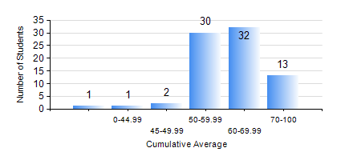
 |  |  | KWAME NKRUMAH UNIVERSITY OF SCIENCE AND TECHNOLOGY, KUMASI Department of Mechanical Engineering

 |  |  | BSC. AUTOMOBILE ENG.

 |  |  | COMPREHENSIVE RECORD OF EXAMINATION RESULTS

 |  |  | RESULTS OF YEAR 4 SECOND SEMESTER, 2024/2025 ACADEMIC YEAR

 | Sn | Course Code |  | Course Name | Credit Hours | Min. Mark | Max. Mark | Avg. Mark | Std. Dev. | No. Passed | No. Trailed | No. (Df) | No. (I) | No. (I*) | No. Tagged(I,I*,Df) | Total
 | 0. |  |  |  |  |  |  | 0 | 0 | 0 | 0 | 0 | 0 | 0 | 0 | 2
 | 1. | AME 476 |  | MODERN AUTOMOBILE TECHNOLOGY | 3 | 46 | 88 | 67 | 10.35 | 77 | 0 | 0 | 0 | 0 | 0 | 77
 | 2. | AME 482 |  | SPECIAL VEHICLE DESIGN | 2 | 47 | 81 | 67 | 7.73 | 77 | 0 | 0 | 0 | 0 | 0 | 77
 | 3. | AME 496 |  | VEHICLE MAINTENANCE AND REGULATION | 2 | 43 | 90 | 72 | 9.54 | 77 | 0 | 0 | 0 | 0 | 0 | 77
 | 4. | AME 498 |  | FINAL YEAR PROJECT II | 5 | 67 | 76 | 73 | 2.53 | 77 | 0 | 0 | 0 | 0 | 0 | 77
 | 5. | ME 456 |  | INTRODUCTION TO FINITE ELEMENT | 3 | 43 | 82 | 59 | 9.6 | 77 | 0 | 0 | 0 | 0 | 0 | 77
 | 6. | ME 492 |  | MANAGEMENT AND ENTREPRENEURSHIP DEVELOPMENT | 2 | 44 | 78 | 62 | 7.46 | 77 | 0 | 0 | 0 | 0 | 0 | 77

